1. Title Page
[Instacart Grocery Basket Analysis]

Project Name: Instacart Grocery Basket Analysis
Date: 12/29/2024
Analyst Name: Noah Vaknin

Contents:
Population Flow
Consistency checks
Wrangling steps
Column derivations
Visualizations
Recommendations

2. Population Flow
Title page

Population flow

Exclusion flag
Condition: max_order < : ['max_order'] > 40, 'loyalty_flag'] = 'Loyal customer', ['max_order'] <= 40) & (ords_prods_merge['max_order'] > 10), 'loyalty_flag'] = 'Regular customer', ['max_order'] <= 10, 'loyalty_flag'] = 'New customer'
Obervations to be removed: none all entries were flagged with designations
Final total count of order_products_all: 32404859

Orders_products_all
Orders_products_combined
Orders_products_merged

Total: 32404859
Total:

Total: 32434489

3. Consistency checks
 |  |  |  | Title page
Consistency checks

Dataset | Missing values | Missing values treatment | Duplicates
orders | 0 | there is none | 0
products | 16(first name) | we didn’t do anything because we still have product ids so it doesn't effect the data because name is PII | 5
orders_products_prior | 2078068(days since prior order) | we didn't do anything because it is possible that a customer didn't order something more than once or didn’t' order soemthing so we left null | 0
customers | 11259(first name) | we didn’t do anything because we still have product ids so it doesn't effect the data because name is PII | 0

4. Wrangling steps
 |  |  |  | Title page
Wrangling steps

Columns dropped | Columns renamed | Columns' type changed | Comment/Reason
eval_set |  |  | not needed for analysis
 | order_dow --> order_day_of_week |  | name is more intuative
 |  | order_id --> str | make it easier to merge data
 |  | user_id --> str | make it easier to merge data
date_joined |  |  | not needed for analysis
_merge |  |  | not needed for analysis
First Name |  |  | PII
Surname |  |  | PII
add_to_cart_order |  |  | not needed for analysis
reordered |  |  | not needed for analysis
order_number |  |  | not needed for analysis (have order_id)

5. Column derivations
 |  |  |  | Title page

Column derivations and aggregations

Dataset | New column | Column/s it was derived from | Conditions
ords_prods_merge | loyalty_flag | max_order | if max order was greater than 40 they are considered loyal, if its between 10 and 40 they are regular if below 10 they are new customer using for loop
ords_prods_merge | spending_flag | user_id | if prices is greter than or equal to 10 they are high spender if not they are low spender using for loop
ords_prods_merge | day_since_prior_order | order_frequency_flag | if thye orded more than 20 times they are frquecnt between 10 and 20 they are regular and less than 10 non frequent
clean_data | low_activity_flag | unique_order_count | If you ordered less than 5 times you are marked as low activity status else nothing
clean_data | age_group | Age | breaks down age groups into 18-25, 26-35, 36-50, 51-60, 60-79, 70+
clean_data | income_group | income | if you make less than 25000 you are very low, between 25000 and 40000 you are low income, between 40000 and 80000 you medium, between 80000 and 120000 you are high and over 120000 is very high
clean_data | order_time | order_hour_of_day | if you ordered between 6am and 12pm it was morning, between 12pm and 6pm it was afternoon and later was night
clean_data | order_day_type | orders_day_of_week | if you ordered Monday through Friday it was weekday, everything else was weekend
clean_data | customer_profile | Age, n_dependants, income | If you are age 18-25, 0 n_dependants and under 40000 in income you are young single, if you are 26-35more than 1 n_dependants and income between 25000 and 80000 you are young parent, if you are between 36 and 55, make more than 40000 you are middle aged if you are above 55 you are a senior citizen anyhing else is other

6. Visualizations
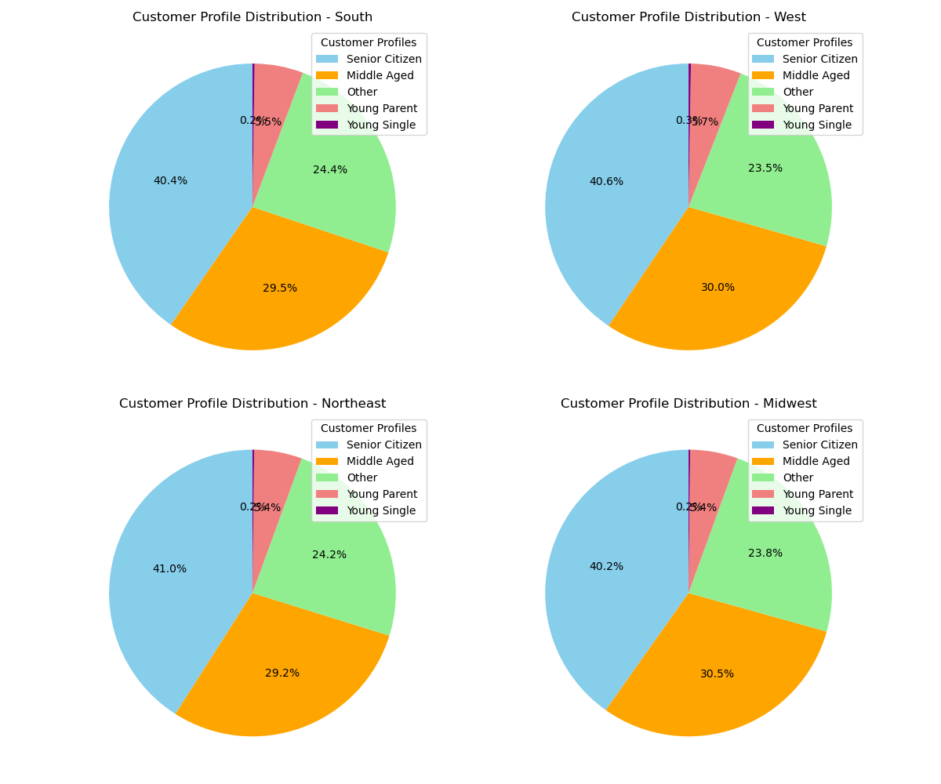
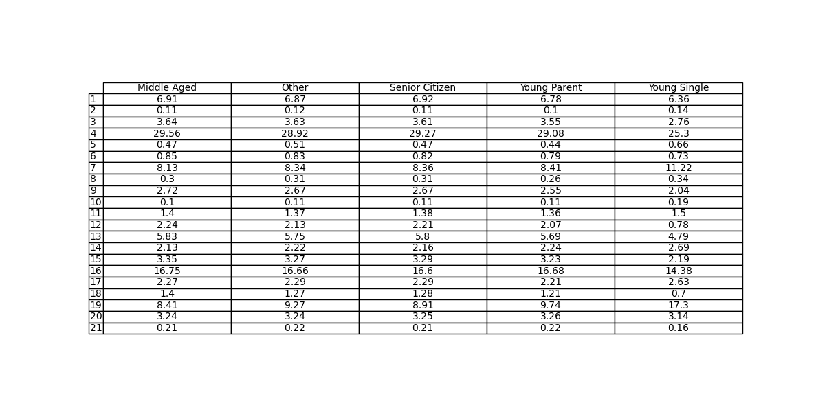
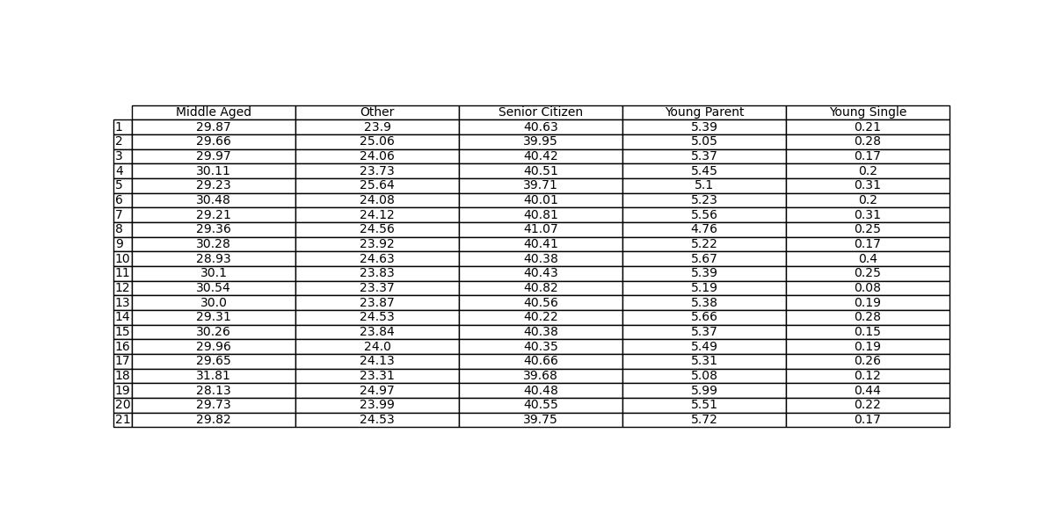
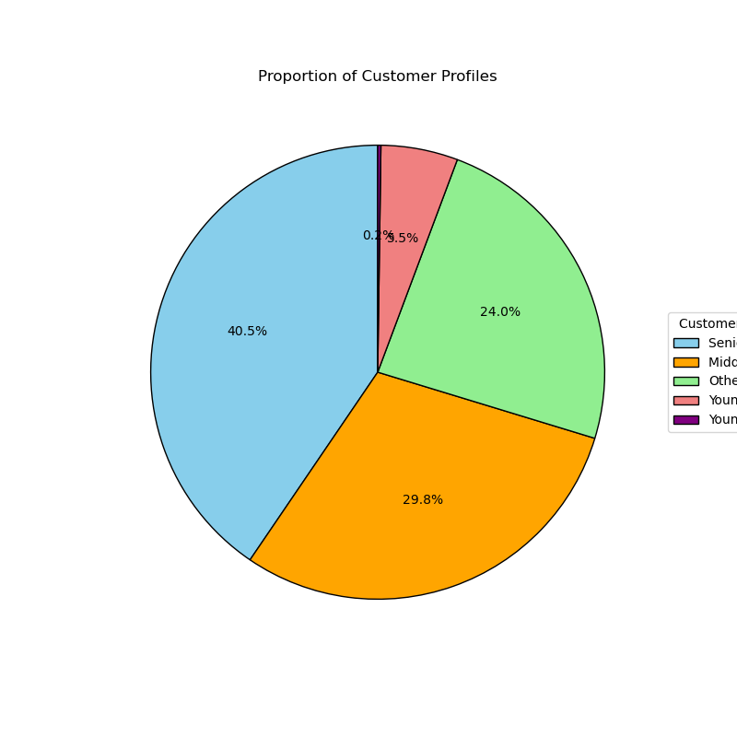
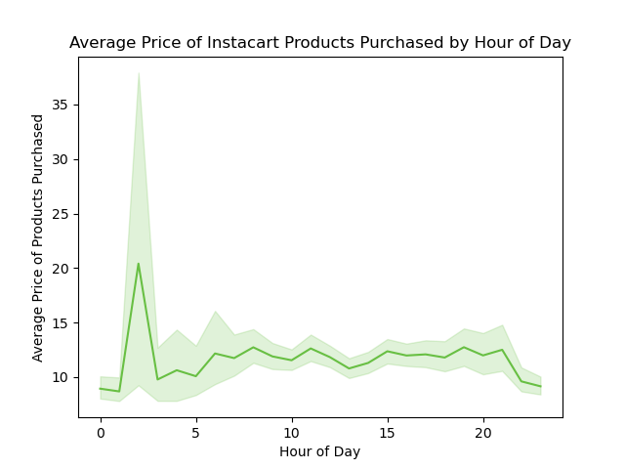

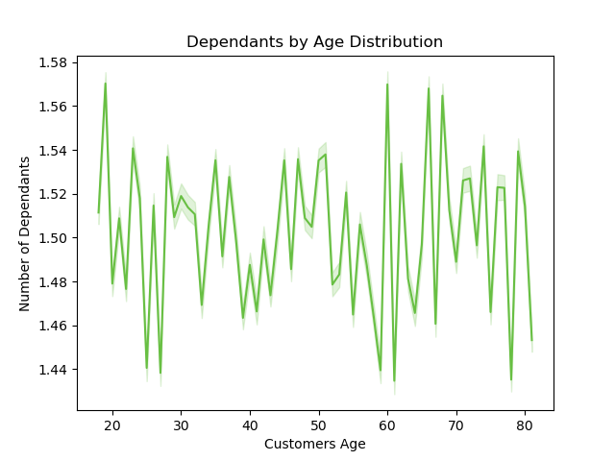
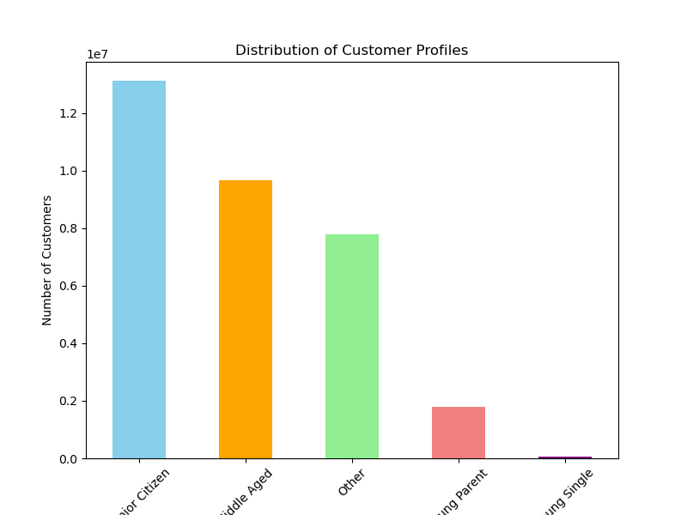

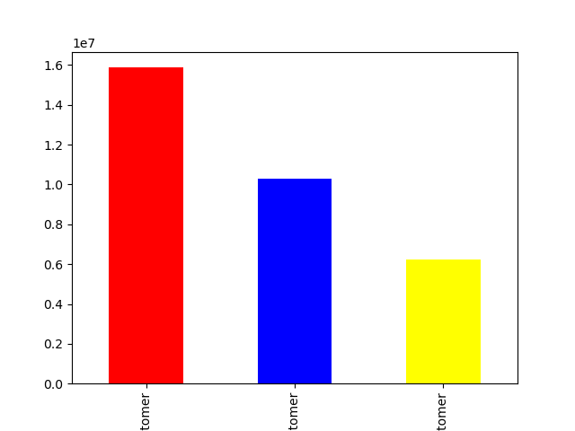
Title page
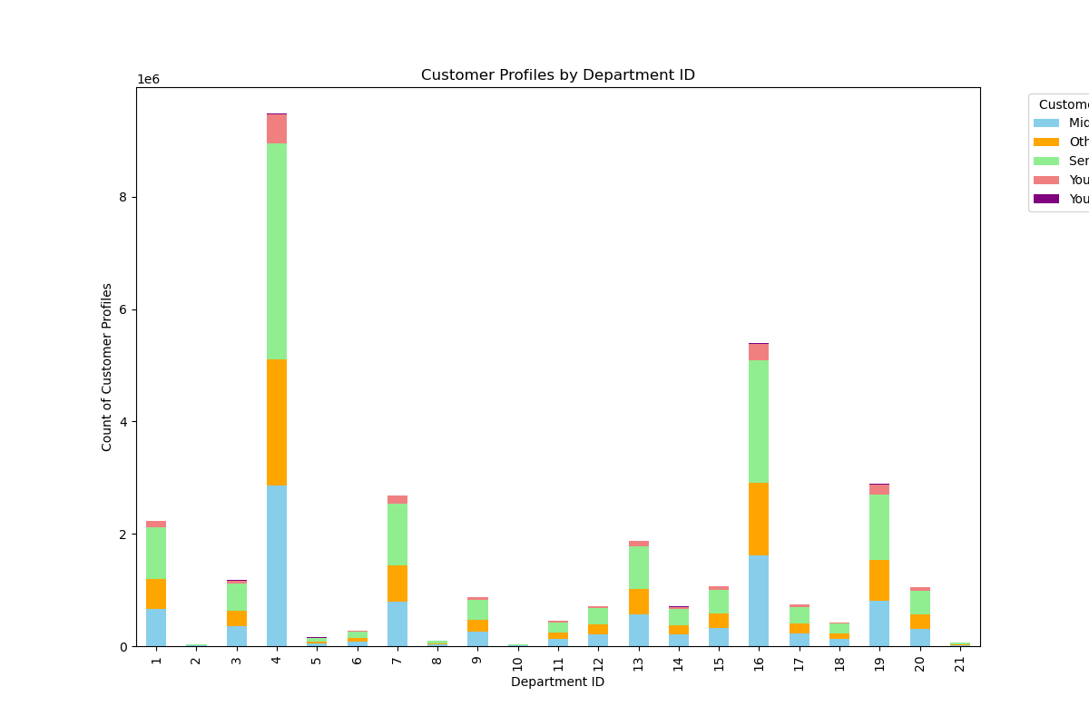
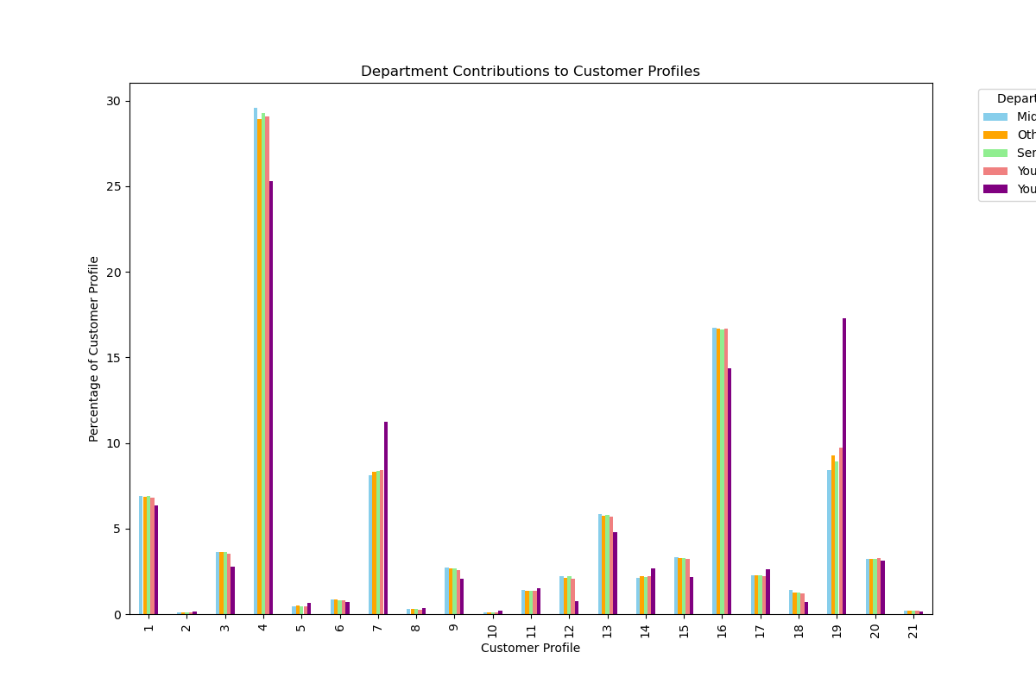
Visualisations

7. Recommendations
 |  | Title page

Recommendations

Question | Answer
The sales team needs to know what the busiest days of the week and hours of the day are (i.e., the days and times with the most orders) in order to schedule ads at times when there are fewer orders. | From our research, we found that the busiest day is Saturay (0). The second Busiest day is Sunday which makes sense considering most people are off and use there free time to make purchases for household necesities. In terms of the most busy hours, this ranges from late moringng to late afternoon being that most people are up during this time. So with all this being said, it would make the most sense to schedule more ads during the weekend days from about 10am through 4pm.
They also want to know whether there are particular times of the day when people spend the most money, as this might inform the type of products they advertise at these times. | From our data it shows that on average the hours with the highest amount spent is during the early moring. However this could be an outlier considering that not as many purchases were made during this time period. On average, the amount spent during any specfic hour or time frame of the day isn't really any higher or lower than eachother. It would make sense to advertise the same way throughout the day.
Are there certain types of products that are more popular than others? The marketing and sales teams want to know which departments have the highest frequency of product orders. | Our research shows that department 4 (produce) out producces every other deptmartment by a large margin. In second is depatment 16 (dairy and eggs), but they are still very far behind the produce deparment. Other notable departments include 1 (frozen), 7 (beverages), and 19 (snacks). So it seems like we should have ads targeting lower preforming departments in order to boost overall sales.
What’s the distribution among users in regards to their brand loyalty? | The average customer that insta cart gets is just a regular customer meaing that there max order is between 10 and 40 however, this is not to say that we don't have our fair share of loyal customer, those spending over 40. Most of our customer base is made up of regular customers or loyal customers. In order to get new customers to spend more we should target them with extra promotions.
Are there differences in ordering habits based on a customer’s region? | Our research has showen that ordering habits are realtivly the same regardless of region.
Is there a connection between age and family status in terms of ordering habits? | The biggest connection between age and ordering status as it pertains too age is the amount of spending in depatment 19 (babies). Being that younger people are more likely to have young children this makes sense. We should target adds for baby products to those who are between the ages of 26 and 35
What differences can you nd in ordering habits of different customer proles? | The difference in spending across all customer profiles wasn't drasticly different. Of course on average, the middle aged customers and senior citizens spent a little more per department and ordered more frequently due more income and less of a desire to actually go out and shop however, average spending was relatitily the same except for department 7 (beverages), and deparment 19 (babies) which bith showed the biggest difference in spending by profile. Being that senior citizens are less likley to go out and shop it would be benifical to target them but, it is also likley that they aren't as tech savy. It is also important to attrack middle age customers as the are realtivly the most wealthy and have the least amount of time to shop for what they need. Again another draw back with this is the middle aged customers are usually fully capable of shopping for themeselves. Both those things being said, they are the most wealthy groups and spend the most on average.

